Minimum cake volume
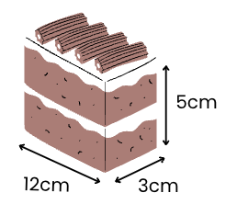

Length (cm) | Width (cm) | Height (cm) | Volume (cm3)
12 | 3 | 5 | 180

Cylindrical cakes example
Number of guests |  |  | 30

Minimum cake volume |  |  | 5,400

Square-based cakes example
Number of guests |  |  | 75

Minimum cake volume |  |  | 13,500

Cylindrical cakes
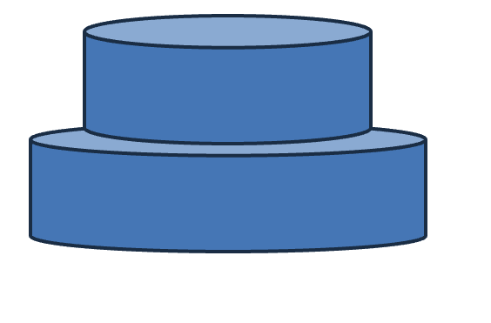
Cake 1
Volume
Cake number | Radius (cm) | Height (cm) | Volume (cm3)
1 | 12 | 5 | 2,262
2 | 15 | 5 | 3,534

Cake 2

Actual volume |  |  | 5,796
Minimum volume |  |  | 5,400

Surface area
Cake number | Radius (cm) | Height (cm) | Curved SA (cm2) | Top (cm2) | Filling (cm2) | Total SA (cm2)
1 | 12 | 5 | 376.99 | 0 | 452.39
2 | 15 | 5 | 471.24 | 706.86 | 706.86

 |  |  | 848.23 | 706.86 | 1,159.25 | 2,714.34

 | Icing thickness (cm) |  |  |  |  | 0.5
 | Number of layers in each cake |  |  |  |  | 2
 | Total icing needed (mL) |  |  |  |  | 1,357.17

 | Frosting tub (mL) |  |  |  |  | 600

 | Number of tubs needed |  |  |  |  | 2.26
 | Number of tubs needed - rounded up |  |  |  |  | 3

Instructions and assumptions
Radius and height of each cake are input into the blue cells (B4 to C5)
Icing thickness is as input into the blue cell (G24)
The calculation assumes each cake is two-layer ie there is one layer of filling in each cake - cell G25
The 'top' calculation only includes the bottom (largest) cake which assumes that the top cake's top replaces the covered area on the bottom cake
The bottom of each cake is not frosted

Square-based cakes
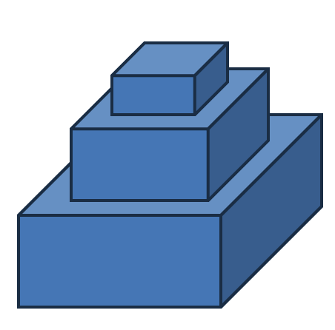
Volume
Cake number | Length (cm) | Width (cm) | Height (cm) | Volume (cm3)
1 | 20 | 20 | 6 | 2,400
2 | 25 | 25 | 7 | 4,375
Cake 1
3 | 30 | 30 | 8 | 7,200

Cake 2
Actual volume |  |  |  | 13,975
Minimum volume |  |  |  | 13,500

Surface area
Cake number | Length (cm) | Width (cm) | Height (cm) | Top (cm2) | Filling | Front/back (cm2) | Left/right (cm2) | Total SA (cm2)
1 | 20 | 20 | 6 | 0.00 | 400.00 | 240.00 | 240.00
Cake 3
2 | 25 | 25 | 7 | 0.00 | 625.00 | 350.00 | 350.00
3 | 30 | 30 | 8 | 900.00 | 900.00 | 480.00 | 480.00

 |  |  |  | 900.00 | 1,925.00 | 1,070.00 | 1,070.00 | 4,965.00

 | Icing thickness (cm) |  |  |  |  |  |  | 0.6
 | Number of layers in each cake |  |  |  |  |  |  | 2
 | Total icing needed (mL) |  |  |  |  |  |  | 2,979.00

 | Frosting tub (mL) |  |  |  |  |  |  | 600

 | Number of tubs needed - calculation |  |  |  |  |  |  | 4.97
 | Number of tubs needed - rounded up |  |  |  |  |  |  | 5

Instructions and assumptions
Length, width and height of each cake are input into the blue cells (B4 to D6)
Icing thickness is as input into the blue cell (I25)
The calculation assumes each cake is two-layer, that is, there is one layer of filling in each cake - cell I26
The 'top' calculation only includes the bottom (largest) cake which assumes that the top and middle cake's tops replace the covered area on the bottom cake
The bottom of each cake is not frosted

